Fig4
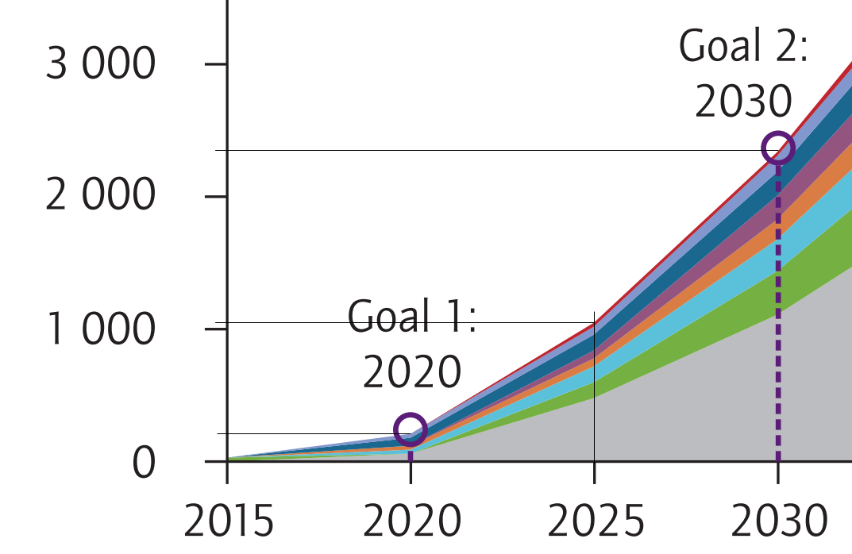
Figure 4: CO2 captured and stored per year (Mt CO2/yr) in the 2DS (two-degree scenario)

Year | Pixels | MT CO2/yr | Pixels in 3000 MT CO2/yr | MT CO2/yr/pixel
2020 | 33 | 201 | 492 | 6.0975609756
2025 | 169 | 1030
2030 | 385 | 2348

Measurements are in yellow.

Fig6
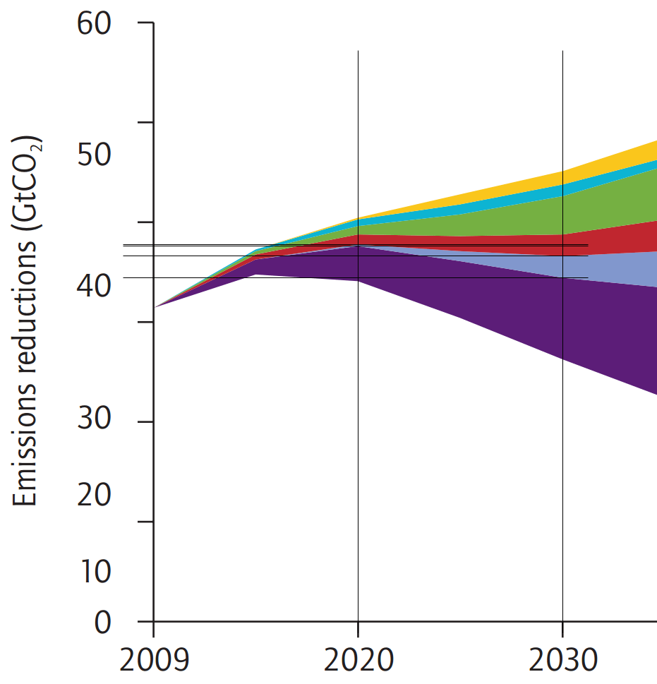
Figure 6: Difference between 6ds (six-degree scenario, our BAU) and 2ds (which had annual emissions numbers in Fig 4)

Pale blue is the wedge for CCS.

Difference between 6ds and 2ds attributable to CCS
Year | Pixels | GT CO2 | Pixels in 60 GT CO2 | GT CO2/pixel | To convert from GT CO2 (cumulative) to MT CO2/yr, we take advantage of the fact
2015 | 0 | 0 | 745 | 0.080536912752 | that the line segments joining known points on the curve in Figure 6 are linear.
2020 | 3 | 0.24161073826 |  |  | 2016-2020 | 48.3 | MT CO2/yr
2030 | 28 | 2.255033557 |  |  | 2021-2030 | 201.3 | MT CO2/yr
 |  |  |  |  | These rates apply to all years in their respective ranges.

